Sheet1
Team member | Student ID
HSU YUCHEN | A0312064U
Jonathan Sugiharto Santosa | A0303274M
Lim Kai Ler, Ethan | A0307499M
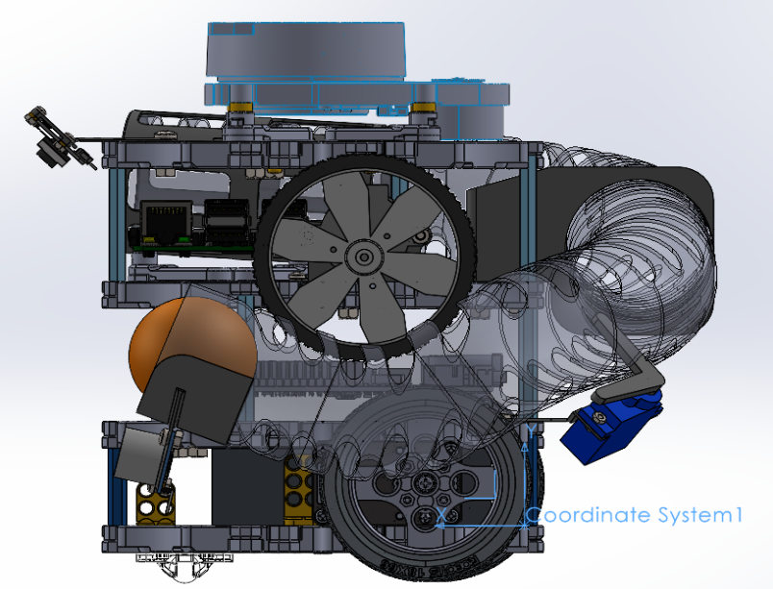
Ramanathan Alagu Subramaniam | A0334850E
 | Part Name | Qty | Weight | x | y | z | Weight*No
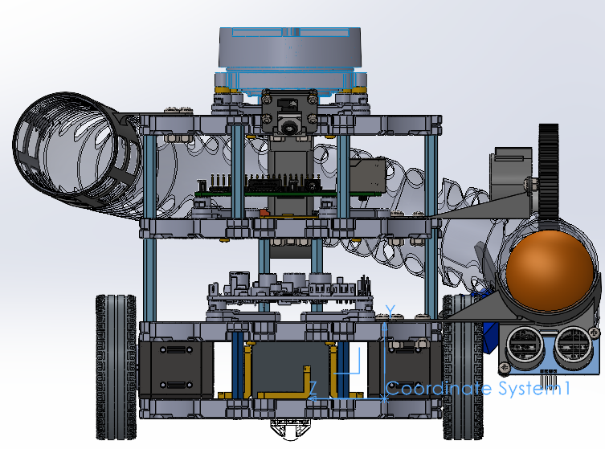
Turtlebot3 Frame | Waffle Plate | 1 | 93.5 | 62.9 | -4.4 | 42.7 | 93.5
 | Waffle Plate | 1 | 93.5 | 62.9 | 30.57 | 42.7 | 93.5
 | Waffle Plate | 1 | 93.5 | 62.9 | 77.52 | 42.7 | 93.5
 | Waffle Plate | 1 | 93.5 | 62.9 | 124.4 | 42.7 | 93.5
. | Plate Support M3x35mm | 4 | 5 | 62.9 | 13.88 | 42.7 | 20
. | Plate Support M3x45mm | 4 | 6.5 | 42.88 | 53.88 | 42.74 | 26
 | Plate Support M3x45mm | 4 | 6.5 | 54.88 | 100.82 | 42.74 | 26
 | PCB Support | 4 | 2.5 | 62.88 | 37.96 | 42.74 | 10
. | PCB Support | 4 | 2.5 | 92.63 | 85.02 | 45.83 | 10
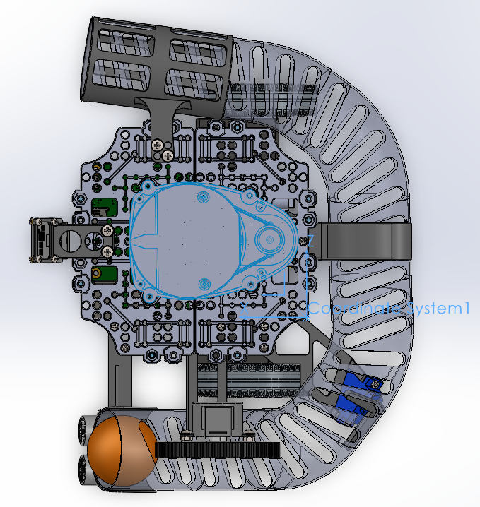
 | PCB Support | 4 | 2.5 | 61.83 | 131.99 | 42.89 | 10
. | Wheel & tire | 1 | 27.5 | 30.87 | 14.25 | -34.97 | 27.5
 | Wheel & tire | 1 | 27.5 | 26.87 | 14.25 | 121.46 | 27.5
. | Ball Caster | 1 | 5 | 13.88 | -12.17 | 42.74 | 5
Motors TTB | DYNAMIXEL (XL430-W250-T) | 1 | 57.2 | 38.62 | 14.52 | 95.42 | 57.2
 | DYNAMIXEL (XL430-W250-T) | 1 | 57.2 | 42.62 | 13.98 | -9.93 | 57.2
Boards | OpenCR1.0 | 1 | 60 | 62.55 | 47.86 | 42.95 | 60
. | *Raspberry Pi | 1 | 47 | 56.6 | 44.6 | 42.9 | 47
. | USB2LDS | 1 | 2.5 | 47.9 | 82.8 | 44.5 | 2.5
Sensors | **LDS-01 or LDS-02 | 1 | 135 | 61.83 | 147.54 | 42.89 | 135
. | LIPO Battery 11.1V 1,800mAh | 1 | 157 | 53.72 | 13.75 | 42.74 | 157
Brackets | DC motor Bracket | 1 | 1.65 | 56.83 | 84.6 | -46.27 | 1.65
 | Servo Bracket | 1 | 1.5 | 5.32 | 36.23 | -25.87 | 1.5
 | Camera Bracket | 1 | 0.88 | 133.52 | 130.63 | 42.94 | 0.88
 | Bracket for pipe left | 1 | 4.82 | 104.88 | 38.61 | -62.87 | 4.82
 | Bracket for pipe rear | 1 | 12.3 | -19.81 | 93.1 | 42.69 | 12.3
 | Bracket for pipe right | 1 | 7.84 | 84.06 | 115.83 | 135.3 | 7.84
Externals | Pipe | 1 | 57.88 | 19.26 | 83.38 | 28.74 | 57.88 | Mass properties of TurtleBot3 4MB-3R
 | L lever | 1 | 1.32 | -32.23 | 52.14 | -54.31 | 1.32 | Configuration: Default
 | Servo motor | 1 | 6.82 | -27.76 | 35.64 | -44.55 | 6.82 | Coordinate system: Coordinate System1
 | DC motor | 1 | 13.12 | 49.92 | 98.34 | -57.72 | 13.12 | * Includes the mass properties of one or more hidden components/bodies.
 | Camera RPI | 1 | 0.29 | 147.23 | 124.95 | 43.17 | 0.29 | Mass = 2268.57 grams
 | Ultrasonic sensor | 1 | 4.66 | 115.51 | 22.19 | -75.42 | 4.66 | Volume = 2248224.36 cubic millimeters
 | Flywheel wheel | 1 | 7.85 | 49.91 | 90.07 | -74.48 | 7.85 | Surface area = 960773.21 square millimeters
 |  |  |  |  |  | Total | 1172.83 | Center of mass: ( millimeters )
 | x | y | z |  |  |  |  |  | X = 417.27
CG | 417.27 | 92.36 | 38.26 |  |  |  |  |  | Y = 92.36
Total weight | 1172.83 |  |  |  |  |  |  |  | Z = 38.26
 |  |  |  |  |  |  |  | Principal axes of inertia and principal moments of inertia: ( grams * square millimeters )
 |  |  |  |  |  |  |  | Taken at the center of mass.
 |  |  |  |  |  |  |  |  | Ix = (-0.99, -0.11, -0.02) | Px = 14284042.03
 |  |  |  |  |  |  |  |  | Iy = (-0.02, 0.04, 1.00) | Py = 172512582.28
 |  |  |  |  |  |  |  |  | Iz = (-0.11, 0.99, -0.05) | Pz = 173466773.45
 |  |  |  |  |  |  |  | Moments of inertia: ( grams * square millimeters )
 |  |  |  |  |  |  |  | Taken at the center of mass and aligned with the output coordinate system. (Using positive tensor notation.)
 |  |  |  |  |  |  |  |  | Lxx = 16307458.29 | Lxy = 17574474.23 | Lxz = 3007970.82
 |  |  |  |  |  |  |  |  | Lyx = 17574474.23 | Lyy = 171499368.37 | Lyz = 381356.69
 |  |  |  |  |  |  |  |  | Lzx = 3007970.82 | Lzy = 381356.69 | Lzz = 172456571.10
 |  |  |  |  |  |  |  | Moments of inertia: ( grams * square millimeters )
 |  |  |  |  |  |  |  | Taken at the output coordinate system. (Using positive tensor notation.)
 |  |  |  |  |  |  |  |  | Ixx = 38980703.36 | Ixy = 105003432.23 | Ixz = 39228594.54
 |  |  |  |  |  |  |  |  | Iyx = 105003432.23 | Iyy = 569813042.93 | Iyz = 8398555.31
 |  |  |  |  |  |  |  |  | Izx = 39228594.54 | Izy = 8398555.31 | Izz = 586800658.86

